Sheet1
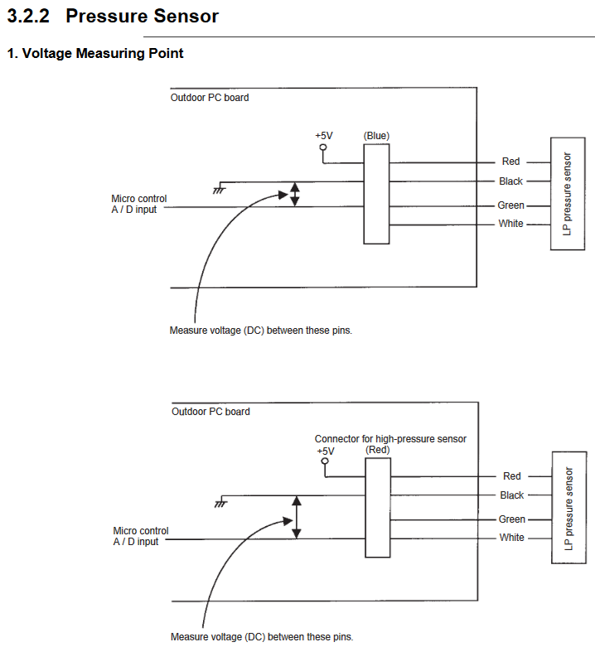
Daikin sensor voltage calculator
www.hydrocarbonconspiracy.info

R410A system:
Minimum sensor pressure (KPA): | 0
Minimum sensor output voltage: | 0.5
Maximum sensor pressure (KPA) (Low): | 1700
Maximum sensor pressure (KPA) (High): | 4733
Maximum sensor output voltage: | 3.5
Resulting voltage (Low): | 2.8920491151
Resulting voltage (High): | 2.7025457202

R32 system:
Minimum sensor pressure (KPA): | 0
Minimum sensor output voltage: | 0.5
Maximum sensor pressure (KPA) (Low): | 1739
Maximum sensor pressure (KPA) (High): | 5015
Maximum sensor output voltage: | 3.5
Resulting voltage (Low): | 2.8696201894
Resulting voltage (High): | 2.6231466703

Pressure Temperature calculator:
Enter Evaporating / Low temperature (°C): | 15
Enter Condensing / High temperature (°C): | 50
R410A (kPa) (Low): | 1161.8524273
R32 (kPa) (Low): | 1177.362717
R410A (kPa) (High): | 2978.4711125
R32 (kPa) (High): | 3042.1658719

